Discovery
Discovery Screen
130" 1,78 Aspect Ratio
 |  |  |  |  | 3302

 |  |  |  | 3302
 |  |  |  | 130

 |  |  | 1855
 |  |  | 73.033707865
 |  |  |  |  |  |  |  | 1985
 |  |  |  |  | 3787 |  |  | 78.151818101
 |  |  |  |  | 149.11043721

 |  |  |  |  |  |  |  |  | 36
 |  |  |  | 3432 |  |  |  |  | 1.4173228346
 |  |  |  | 135.11811024

 | Inches | mm |  |  |  | Date: | 2026-02-09
Image W | 130 | 3,302 | Native AR | 1.78 |  | Customer:
Image H | 73.033707865 | 1855 | Closed AR | NA |  | Sign off:
Ext W | 135.11811024 | 3432 | Close W | NA | Notes: |  |  |  | Picture Not to Scale
Ext H | 78.151818101 | 1985 | Voltage | NA | Only standard sizes available. Please select from the drop-down menu attached to metric image width cell. 2 aspects ratios available
Diagonal | 149.11043721 | 3787 | Frame W | 65
Depth | 1.4173228346 | 36 | mm to Inch | 25.4

 | Max Image width: 3556 mm

Choose Surface | Enlightor NEO. |  | Y
 | Visionaire USTAT.
 | Visionaire HC.

 | Bracket Locations
 | There are 2 brackets on the top of the screen.
 | The top Brackets are Z brackets that are movable to suit.

 | Estimated Shipping Sizes & Weights |  |  |  | The screen is shipped in various parts

 | Boxes: | 1
 | Length: | 2066 | mm | each
 | Height: | 250 | mm | each
 | Width: | 200 | mm | each
 | Weight: | 31 | Kg | Total

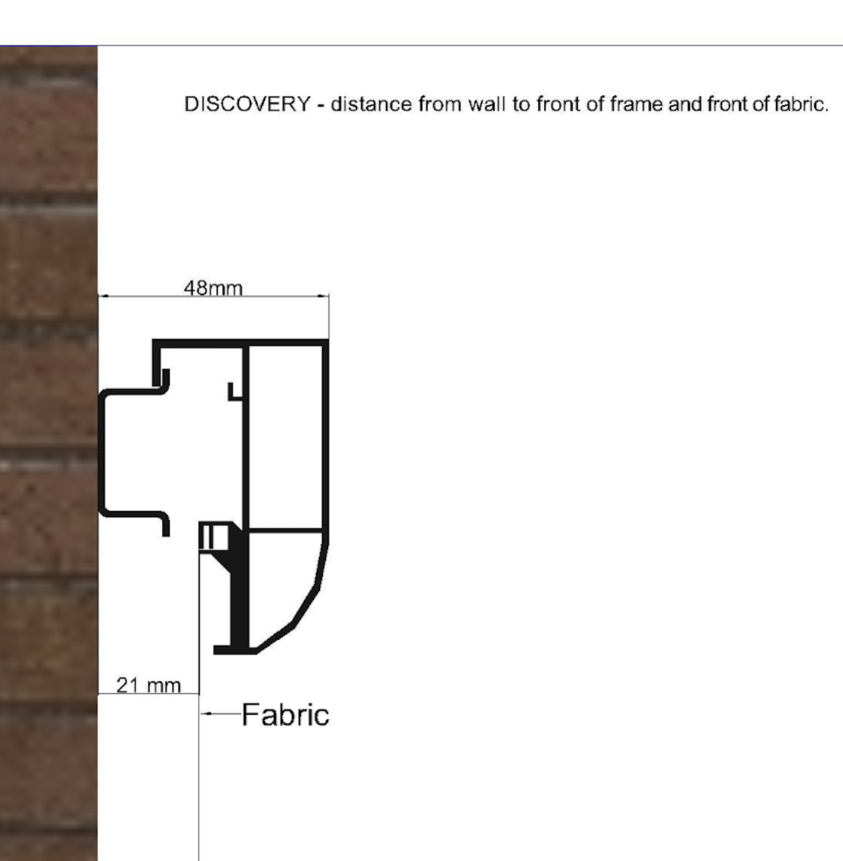

FullScreen
FullScreen Fixed Frame Borderless Screen
125,5" 2,4 Aspect Ratio

 |  |  | 1328
 |  |  | 52.280183727
 |  |  |  |  |  |  |  | 1328
 |  |  |  |  | 3453 |  |  | 52.280183727
 |  |  |  |  | 135.92847769

 |  |  |  |  |  |  |  |  | 30
 |  |  |  | 3187 |  |  |  |  | 1.1811023622
 |  |  |  | 125.47244094
 | Inches | mm |  |  |  | Date: | 2026-02-09
Image W | 125.47244094 | 3,187 | Native AR | 2.40 |  | Customer:
Image H | 52.280183727 | 1328 | Closed AR | NA |  | Sign off:
Ext W | 125.47244094 | 3187 | Close W | NA | Notes: Custom sizes are available. The price is as per the next multiple of 10 inches
Ext H | 52.280183727 | 1328 | Voltage | NA
Diagonal | 135.92847769 | 3453 | Frame W | 0.00
Depth | 1.1811023622 | 30.0 | mm to Inch | 25.40 |  |  |  |  | Drawing Not to Scale

 | Max standard Image width

 |  | AR | Inches | mm
 | HD | 1.78 | 200 | 5080
 | WS | 2.35 - 2.40 | 280 | 7112 |  | For larger sizes, please contact sales@screenexcellence.com

 | Bracket Locations
 | There are 4 brackets on the top and 4 on the bottom of the screen.
 | Min 30mm clearance is needed above the screen for installation with the brakest.

Choose Surface
 | ENLIGHTOR NEO
 | VISIONAIRE USTAT

 | Estimated Shipping Sizes & Weights |  |  |  | The screen is shipped in various parts

 | Boxes: | 1
 | Length: | 1944 | mm | each
 | Height: | 350 | mm | each
 | Width: | 259 | mm | each
 | Weight: | 20 | Kg | Total

Wall
Ceiling
Min 30mm

Slim
SLIM Fixed Screen
170" 2,4 Aspect Ratio

 |  |  |  | 4318

 |  |  |  | 4318
 |  |  |  | 170

 |  |  | 1799
 |  |  | 70.833333333
 |  |  |  |  |  |  |  | 1839
 |  |  |  |  | 4678 |  |  | 72.408136483
 |  |  |  |  | 184.16666667

 |  |  |  |  |  |  |  |  | 30
 |  |  |  | 4358 |  |  |  |  | 1.1811023622
 |  |  |  | 171.57480315
 | Inches | mm |  |  |  | Date: | 2026-02-09
Image W | 170 | 4,318 | Native AR | 2.40 |  | Customer:
Image H | 70.833333333 | 1799 | Closed AR | NA |  | Sign off:
Ext W | 171.57480315 | 4358 | Close W | NA | Notes:
Ext H | 72.408136483 | 1839 | Voltage | NA
Diagonal | 184.16666667 | 4678 | Frame W | 20.00
Depth | 1.1811023622 | 30.0 | mm to Inch | 25.40 |  |  |  |  | Drawing Not to Scale

Choose Surface
 | ENLIGHTOR NEO |  | V
 | VISIONAIRE USTAT

 | Max standard Image width
 |  |  | Enlightor Neo |  | Visionaire USTAT
 |  | AR | Inches | mm | Inches | mm
 | HD | 1.78 | 200 | 5080 | 140 | 3556
 | WS | 2.35 - 2.40 | 200 | 5080 | 160 | 4064
 |  |  |  | For larger sizes, please contact sales@screenexcellence.com
 | Bracket Locations
 | There are 2 brackets on the top and NONE on the bottom of the screen.
 | The top Brackets are Z brackets that are movable to suit. Generally they are 10 Cm in from the side
 | There are no bottom brackets provided as standard.
 | The screen is hanging from the 2 top brackets and resting against a rubber stop at the bottom

 | Estimated Shipping Sizes & Weights |  |  |  | The screen is shipped in various parts

 | Boxes: | 1
 | Length: | 2529 | mm | each
 | Height: | 250 | mm | each
 | Width: | 200 | mm | each
 | Weight: | 51 | Kg | Total

Wall
Ceiling
Min 30mm

Elegance
Elegance Fixed Frame Borderless Screen
96" 1,78 Aspect Ratio

 |  |  |  | 2438
 |  |  |  | 95.984251969

 |  |  | 1370
 |  |  | 53.923737061
 |  |  |  |  |  |  |  | 1370
 |  |  |  |  | 2796 |  |  | 53.923737061
 |  |  |  |  | 110.09425982

 |  |  |  |  |  |  |  |  | 35
 |  |  |  | 2438 |  |  |  |  | 1.3779527559
 |  |  |  | 95.984251969
 | Inches | mm | Fabric | VISIONAIRE HC |  | Date: | 2026-02-09
Image W | 95.984251969 | 2,438 | Native AR | 1.78 |  | Customer:
Image H | 53.923737061 | 1370 | Closed AR | NA |  | Sign off:
Ext W | 95.984251969 | 2438 | Close W | NA | Notes:
Ext H | 53.923737061 | 1370 | Voltage | NA
Diagonal | 110.09425982 | 2796 | Frame W | 0.00
Depth | 1.3779527559 | 35.0 | mm to Inch | 25.40 |  |  |  |  | Drawing Not to Scale

 | Max standard Image width

 |  | AR | Inches | mm
 | HD | 1.78 | 130 | 3302
 | WS | 2.35 - 2.40 | 130 | 3302

 | Bracket Locations
 | There are 4 brackets on the top and 4 on the bottom of the screen.
 | Min 30mm clearance is needed above the screen for installation with the brakest.

 | Estimated Shipping Sizes & Weights |  |  |  | The screen is shipped in various parts

 | Boxes: | 1
 | Length: | 1569 | mm | each
 | Height: | 350 | mm | each
 | Width: | 259 | mm | each
 | Weight: | 15 | Kg | Total

Wall
Ceiling
Min 30mm

Reference
Reference Fixed Screen
170" 2,4 Aspect Ratio
 |  |  |  |  | 4318

 |  |  | 1799

 |  |  |  |  |  |  |  | 1987
 |  |  |  |  | 4678

 |  |  |  |  |  |  |  |  | 60
 |  |  |  | 4506

 | Inches | mm |  |  |  | Date: | 2026-02-09
Image W | 170 | 4318 | Native AR | 2.40 |  | Customer:
Image H | 70.833333333 | 1799 | Closed AR | NA |  | Sign off:
Ext W | 177.4015748 | 4506 | Close W | NA | Notes: |  |  |  | Picture Not to Scale
Ext H | 78.234908136 | 1987 | Voltage | NA
Diagonal | 184.16666667 | 4678 | Frame W | 94
Depth | 2.3622047244 | 60 | mm to Inch | 25.4

 | Max Image width
 | Surface |  | AR |  | Inches | mm
 | Enlightor NEO |  | HD | 1.78 | 200 | 5080
 |  |  | WS | 2.35-2.40 | 280 | 7112
 | Enlightor NEO W |  | HD | 1.78 | 315 | 8001
 |  |  | WS | 2.35-2.40 | 425 | 10795
 | Visionaire HC |  | HD | 1.78 | 140 | 3556
 |  |  | WS | 2.35-2.40 | 190 | 4826
 | Visionaire USTAT |  | HD | 1.78 | 120 | 3048
 |  |  | WS | 2.35-2.40 | 160 | 4064

 | Choose Surface | ENLIGHTOR NEO
 |  | ENLIGHTOR NEO W |  | y
 |  | VISIONAIRE USTAT

 | Bracket Locations
 | There are 2-4 brackets on the top and on the bottom of the screen.
 | The top Brackets are Z brackets that are movable to suit.
 | The bottom brackets are Snap In brackes that are movable
 | If the Screen is greater than 160" then there are 2 additional brackets / top and bottom.

 | Estimated Shipping Sizes & Weights |  |  |  | The screen is shipped in various parts
 | Boxes: | 1
 | Length: | 2603 | mm | each
 | Height: | 250 | mm | each
 | Width: | 350 | mm | each
 | Weight: | 51 | Kg | Total

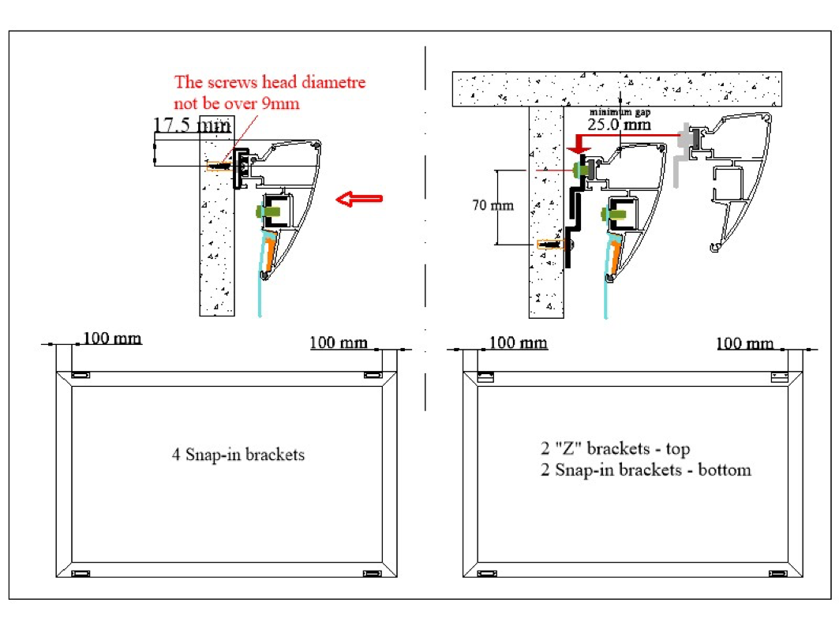

RTS
RetractableTensioned Screen

 |  |  | 133,9" 1,78 Aspect Ratio

 |  |  | Note: The RTS projection surface is either dropping from the front or the rear. Please specify when ordering

 |  |  |  | 3711 |  |  |  |  | 151

Black Drop
 |  |  |  |  |  |  |  |  |  | 149
400

 |  |  |  | 3400

1910
 |  |  |  |  |  |  |  | 2561

 |  |  |  | 3900 |  |  |  |  |  | 2412

102

 |  |  |  | 3661

 | Inches | mm |  |  |  | Date: | 2026-02-09
Image W | 133.85826772 | 3400 | Native AR | 1.78 |  | Customer:
Image H | 75.201273998 | 1910 | Case | 3711 | 149 | Sign off:
Ext W | 146.1023622 | 3711 | B. Drop (mm) | 400 | Screen to drop from Rear of cassette- Please mention when ordering
Ext H | 100.83119526 | 2561 | Voltage | 220 V | Control | No
Diagonal | 153.53588326 | 3900 | Batten (mm) | 3661 |  | RF
Depth | 5.9448818898 | 151 | mm to Inch | 25.4 |  | Trigger |  | Drawing Not to Scale

Choose Surface |  |  |  | Choose Colour
 | Solid, Gain=1.1 | X |  |  | White
 | Microperf, gain=0.7 |  |  |  | Black | X

 | Max standard Image width

 |  | AR | Inches | mm
 | HD | 1.78 | 160 | 4064
 | WS | 2.35 - 2.40 | 160 | 4064 |  | For larger sizes, please contact sales@screenexcellence.com

 | Bracket Locations
 | There is a pair of wall/ceiling compatible brackets supplied with the screen.
 | They are to be placed near the case ends

 | Estimated Shipping Sizes & Weights |  |  |  | The screen is shipped assembled ready to install

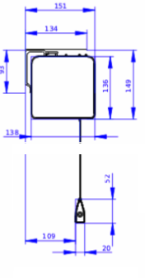
 | Boxes: | 1
 | Length: | 3811 | mm
 | Height: | 200 | mm
 | Depth: | 200 | mm
 | Weight: | 54 | Kg

RTS In Ceiling
In Ceiling Retractable Tensioned Screen
157,5" 1,78 Aspect Ratio

 |  |  |  |  |  |  |  |  | 145
 |  |  |  | 4330

 |  |  |  |  |  |  |  | 136

BLACK DROP
Black Drop
500

 |  |  |  | 4000

 |  |  |  |  |  |  |  | 2985 |  | 2849
2247
 |  |  |  |  | 4588

102

 | Inches | mm | Fabric | Enlightor S |  | Date: | 2026-02-09
Image W | 157.48031496 | 4000 | Native AR | 1.78 |  | Customer:
Image H | 88.472087057 | 2247 | Case | 4330 | 136 | Sign off:
Ext W | 170.47244094 | 4330 | B. Drop (mm) | 500 | In Ceiling installation only
Ext H | 117.52720517 | 2985 | Voltage | 240v | Control | No
Diagonal | 180.63045089 | 4588 | Batten (mm) | 4280 |  | RF
Depth | 5.7086614173 | 145 | mm to Inch | 25.4 |  | Trigger |  | Not to Scale
...

MediaTime
MediaTime Retractable Motorised AT Screen
93,5" 1,777 Aspect Ratio

 |  |  |  | 2899 |  |  | 148

 |  |  |  |  |  |  |  | 139
Black Drop
128

 |  |  |  |  |  | 1674

 |  | 1337
 |  |  |  |  | 2725
...
 | Estimated Shipping Sizes & Weights : |  |  |  | The screen is shipped assembled ready to install

 | Boxes: | 1
 | Length: | 2999 | mm | ADD 100 mm WHEN A REMOTE CONTROL IS INCLUDED
 | Height: | 250 | mm
 | Depth: | 350 | mm
 | Weight: | 42 | Kg

 |  |  | 148

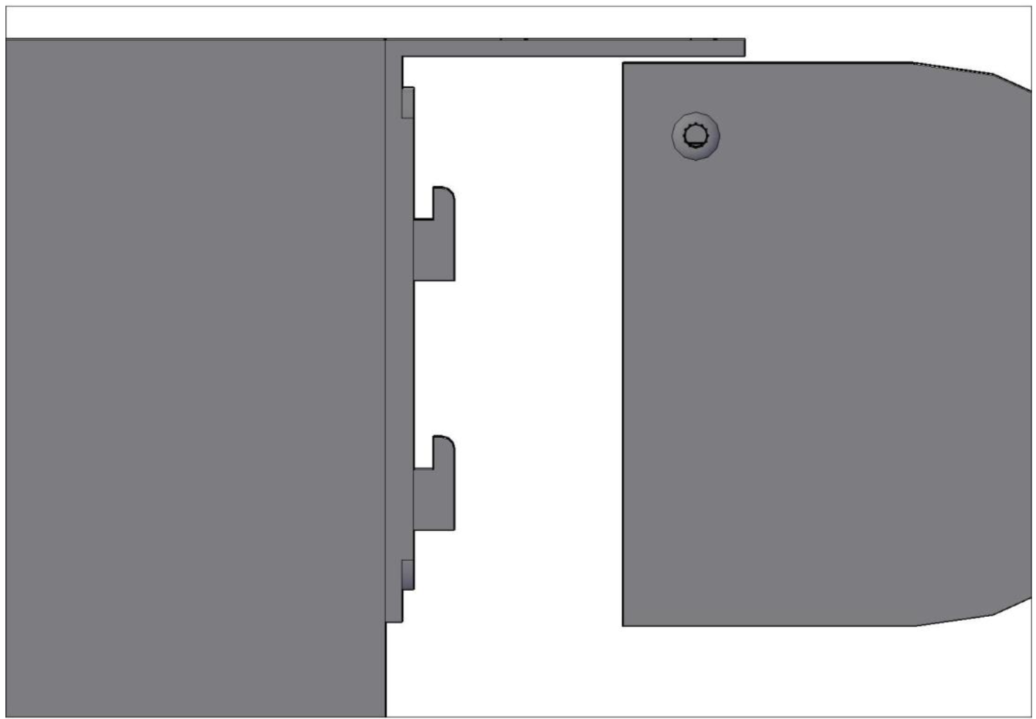

 | 139

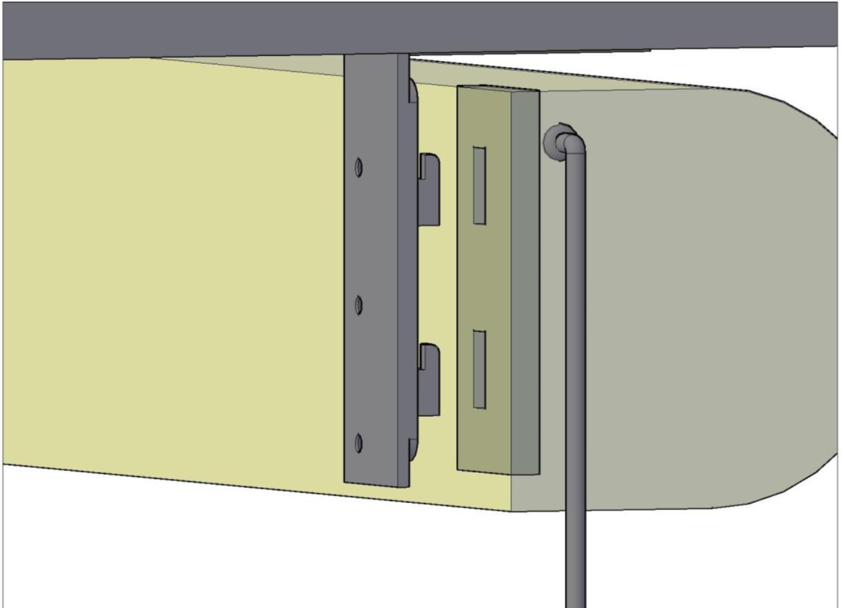

 |  | 5mm mm

 | 30

 | 50
 |  | 25

MFR WS
 | Multi Format Retractable Motorised AT Screen
 | 119,3" 2,4 Aspect Ratio

 |  |  |  |  | 3380 |  |  | 252

 |  |  |  |  |  |  | 147

Black Drop
703

MASK

 |  |  |  |  | 2247
 |  |  |  |  |  |  | 2183 |  | 2036

 |  |  | 1263 |  | 3283

 |  |  |  |  | 3030
...
 |  | Max standard Native Image width

 |  |  | AR | Inches | mm
 |  | WS | 2.4 | 140 | 3556

 |  | Bracket Locations
 |  | There are 2 ceiling DIN fixing rails supplied with the screen.

 |  | Estimated Shipping Sizes & Weights |  |  |  | The screen is shipped assembled ready to install

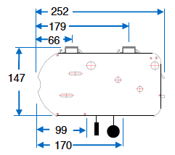
 |  | Boxes: | 1
 |  | Length: | 3480 | mm
 |  | Height: | 250 | mm
 |  | Depth: | 500 | mm
 |  | Weight: | 60 | Kg

MFR HD
Multi Format Retractable Motorised AT Screen
133,9" 1,78 Aspect Ratio

 |  | 3750 |  |  | 252

 |  |  |  | 147

Black Drop
128

Mask

 |  |  |  | 2255 |  | 2108

 | 1910 | 3900 | 1417
...

TAM Art Edition
...
This Photo by Unknown Author is licensed under CC BY-SA
This Photo by Unknown Author is licensed under CC BY-SA

This Photo by Unknown Author is licensed under CC BY-SA

This Photo by Unknown Author is licensed under CC BY-SA

This Photo by Unknown Author is licensed under CC BY-SA

